Applicant Budget
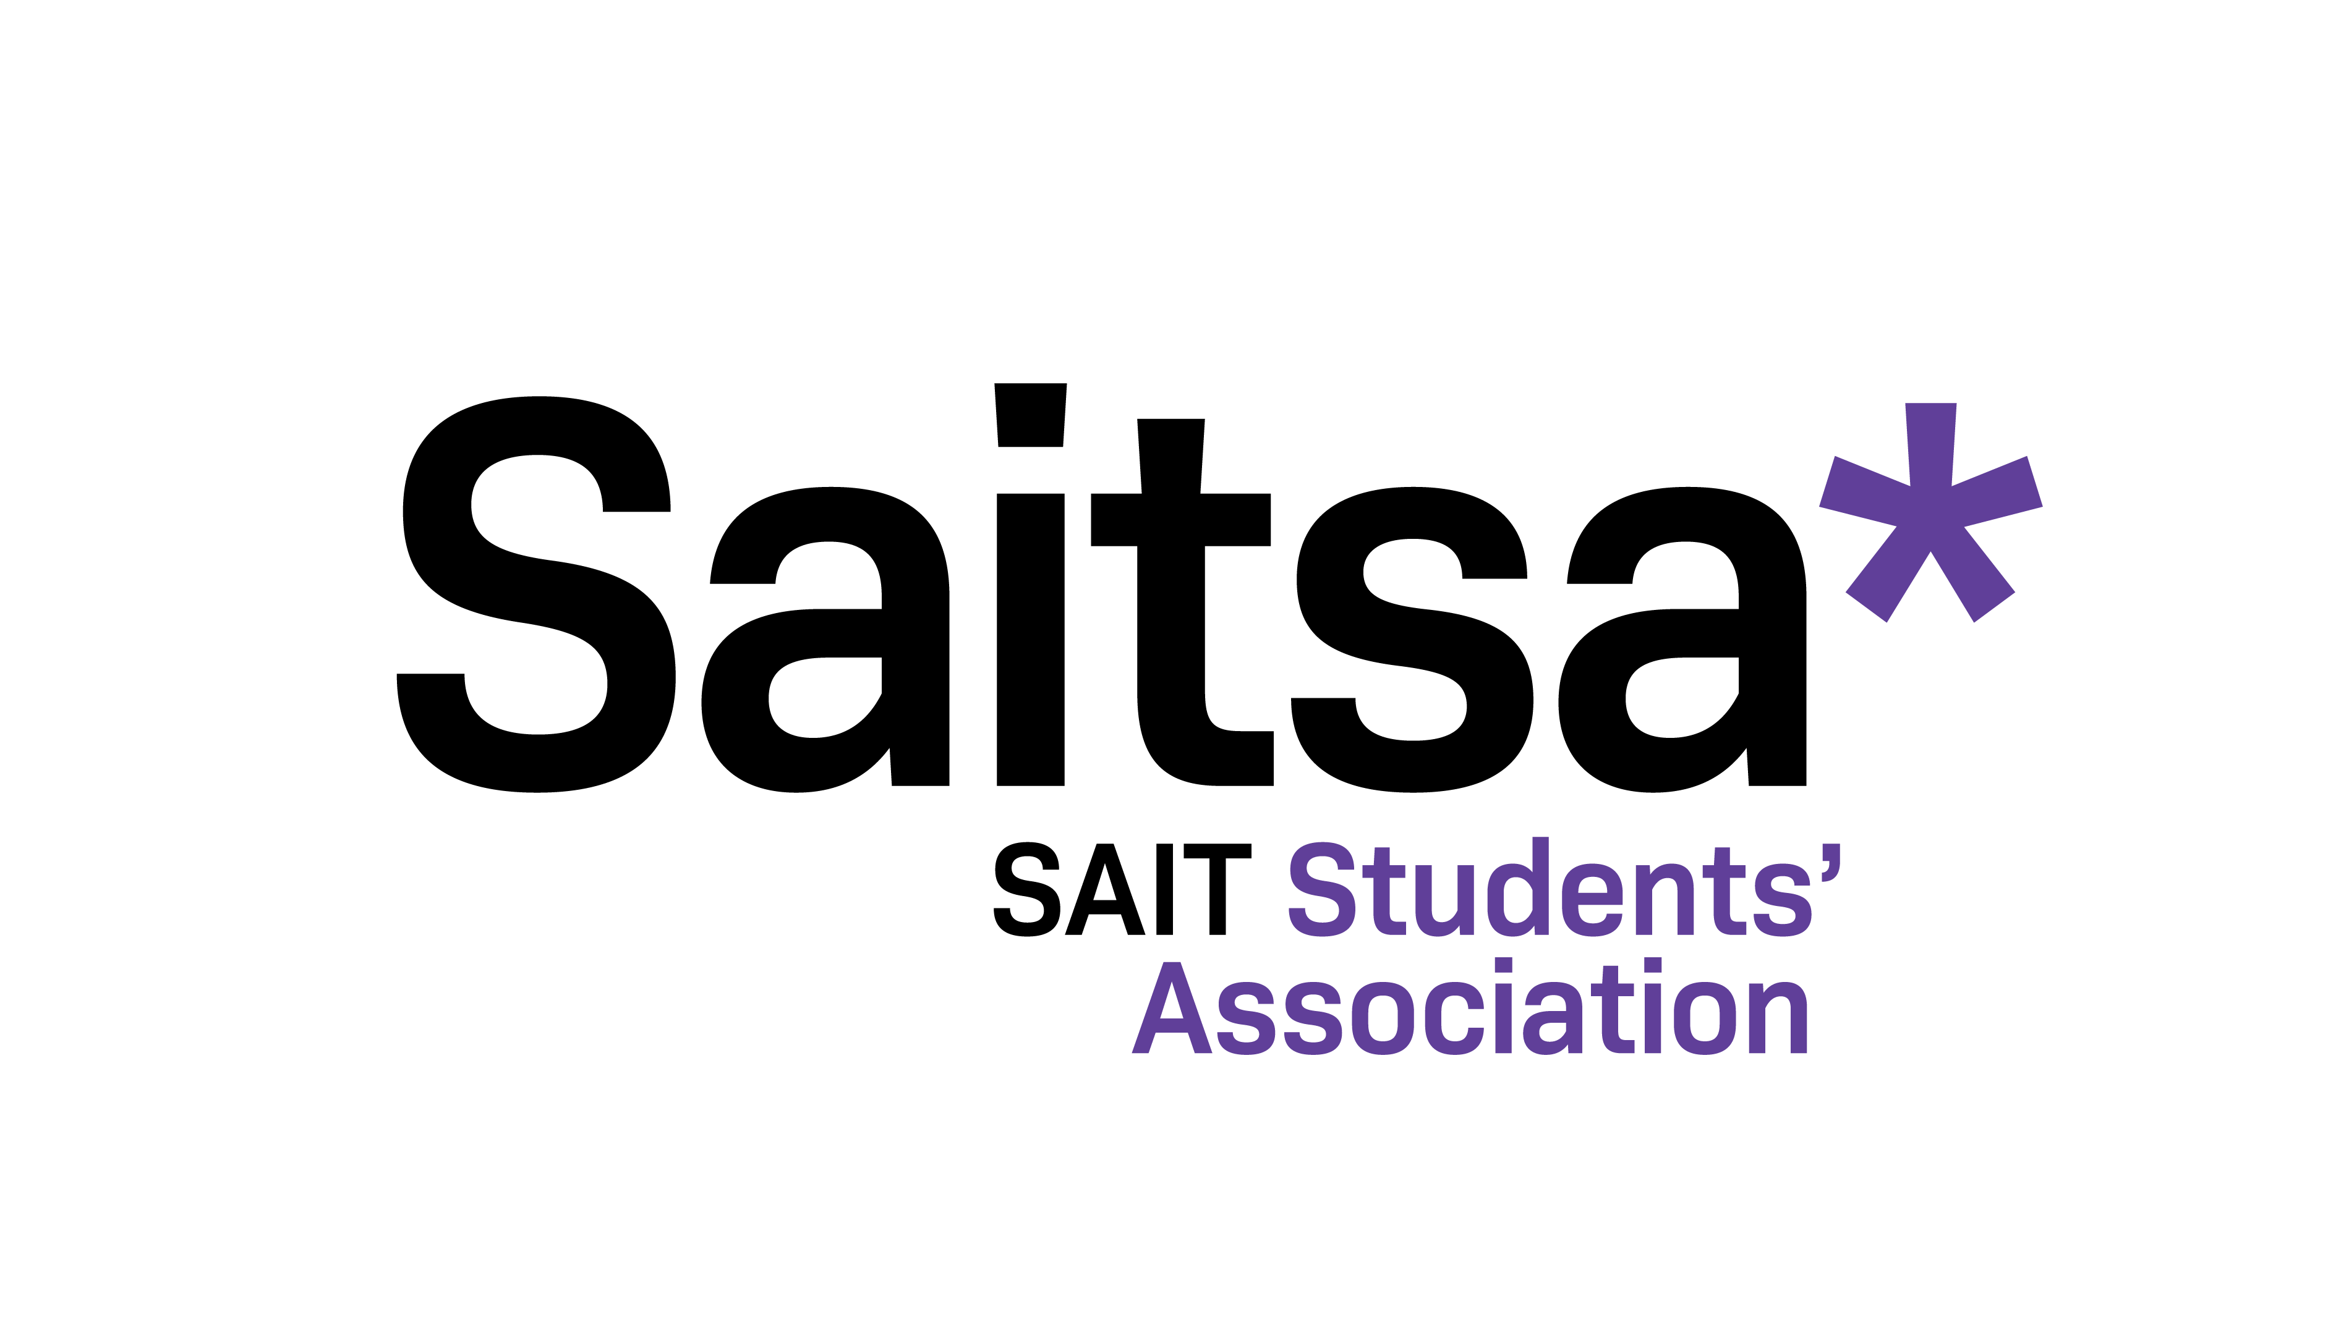

Student Grant Program: Budget Information (Mandatory Form)
See Sheet 2 for an Example Budget

Applicant Information
Name:
Application Date:
Email Address:

Item (i.e. registration,hotel, transportation, other) | Description | Cost

 | TOTAL COST: | $0.00
 | TOTAL AMOUNT REQUESTED FROM SAITSA:
 | DETAILS OF REQUEST (IF NEEDED)

